Assignment
FileDownload | Create a JSP page to display the list of uploaded files on the server. Prefix the name of each file with a radio button. The page will also have a Download button. On click of this button, the selected file should be downloaded to the users PC.

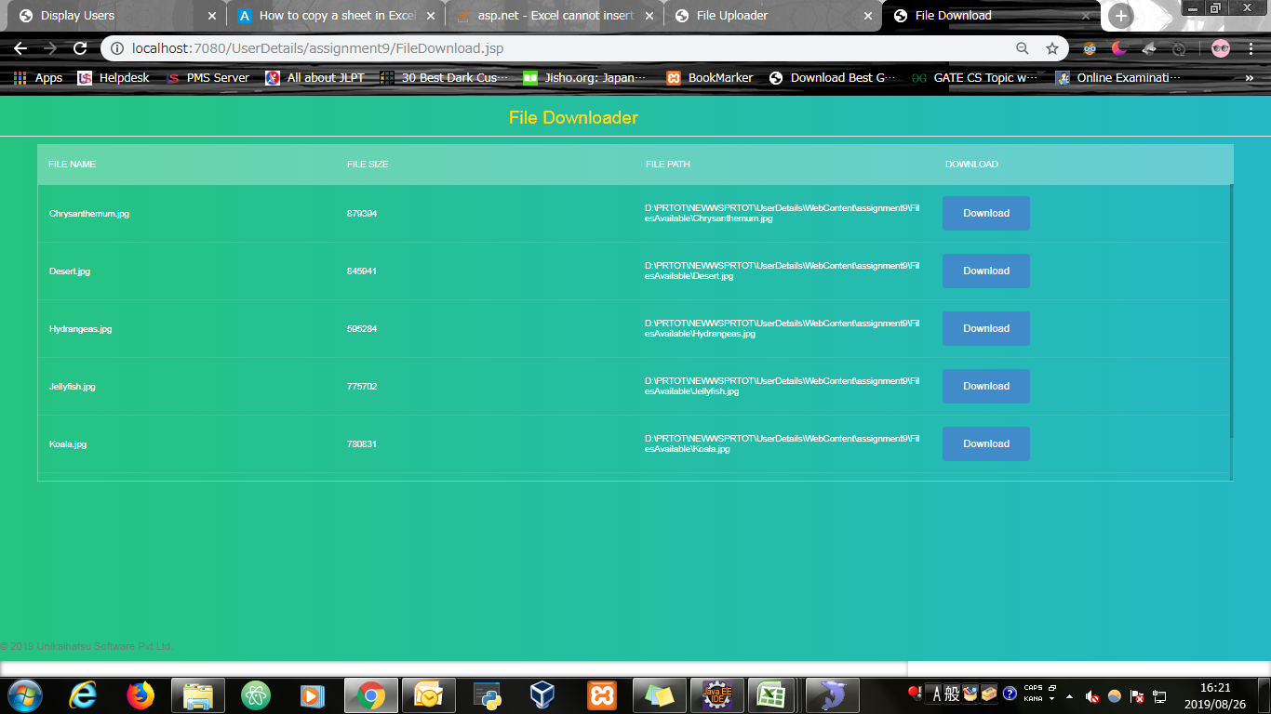
Input Screen

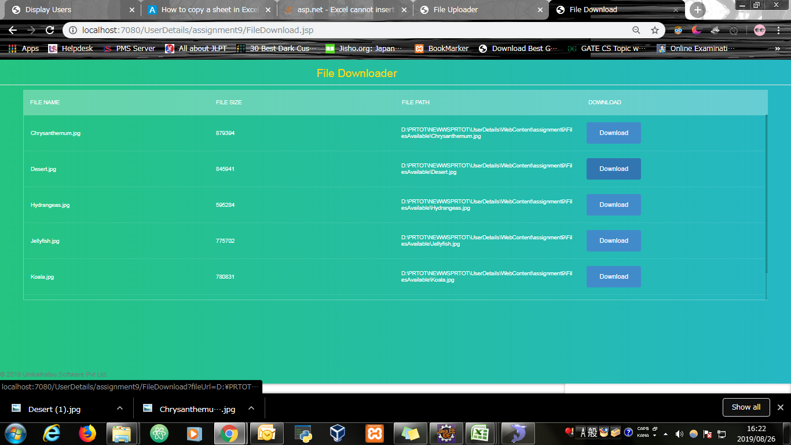
Output Screen

